FootBall Field and Ratios
 | 2021 | 2022 | 2023 | 2024 | 2025 | 2026 | 2027 | 2028 | 2029 | 2030 | 2031 | 2032 | 2033 | 2034 | 2035

Profitability Ratios |  |  |  |  |  |  |  |  |  |  |  |  |  |  |  | Historic Average | Proyected Average | Method | Low | Base | High | Spread | Base vs Price | Range basis
EBIT Margin | 28.7% | 29.3% | 29.1% | 22.7% | 29.8% | 28.4% | 29.0% | 29.3% | 29.3% | 29.7% | 30.2% | 30.7% | 31.2% | 31.7% | 32.2% | 27.9% | 30.2% | DCF – Exit Multiple | $85.37 | $92.14 | $99.40 | $14.03 | (0.6%) | WACC ±0.5% × Exit multiple ±1x
EBITDA Margin | 33.4% | 33.1% | 32.5% | 25.8% | 32.8% | 30.7% | 31.5% | 31.8% | 32.1% | 32.6% | 33.1% | 33.6% | 34.1% | 34.6% | 35.1% | 31.5% | 32.9% | DCF – Perpetual Growth | $74.62 | $88.05 | $108.69 | $34.07 | (5.0%) | WACC ±0.5% × g ±0.25%
Net Margin | 25.4% | 22.2% | 23.4% | 22.7% | 27.3% | 21.4% | 21.9% | 22.2% | 22.3% | 22.7% | 23.2% | 23.6% | 24.1% | 24.6% | 25.0% | 24.2% | 23.1% | DDM – Total Payout | $69.88 | $82.77 | $101.79 | $31.91 | (10.7%) | Ke ±0.5% × g ±0.25%
Basic BPA / Diluted BPA | 1.006x | 1.005x | 1.004x | 1.003x | 1.002x | 1.004x | 1.004x | 1.004x | 1.004x | 1.004x | 1.004x | 1.004x | 1.004x | 1.004x | 1.004x | 1.004x | 1.004x | Trading Comps – P/E | $43.37 | $50.42 | $63.16 | $19.78 | (45.6%) | Peer P/E 25th–75th pct × FY25 diluted EPS
 |  |  |  |  |  |  |  |  |  |  |  |  |  |  |  |  |  | Trading Comps – Dividend Yield | $54.92 | $67.52 | $75.65 | $20.73 | (27.2%) | FY25 DPS ÷ peer yield 75th–25th pct
Return Ratios |  |  |  |  |  |  |  |  |  |  |  |  |  |  |  | Historic Average | Proyected Average
ROE | 42.5% | 39.6% | 41.3% | 42.8% | 40.7% | 29.8% | 30.2% | 31.9% | 33.5% | 35.5% | 37.8% | 40.2% | 42.8% | 45.3% | 48.1% | 41.4% | 37.5% | Valuation range (avg. of methods) | $65.63 | $76.18 | $89.74 | $24.11 | (17.8%)
ROIC | 14.1% | 14.7% | 14.4% | 11.4% | 15.8% | 14.2% | 14.6% | 15.4% | 16.1% | 17.0% | 18.0% | 19.1% | 20.2% | 21.4% | 22.6% | 14.1% | 17.8%
ROCE | 14.9% | 17.3% | 18.0% | 14.1% | 17.1% | 16.1% | 16.5% | 17.3% | 18.1% | 19.2% | 20.3% | 21.5% | 22.8% | 24.1% | 25.5% | 16.3% | 20.1%
ROA | 10.4% | 10.3% | 11.0% | 10.6% | 12.5% | 9.9% | 10.2% | 10.7% | 11.1% | 11.7% | 12.4% | 13.1% | 13.8% | 14.6% | 15.3% | 11.0% | 12.3%
Payout | 74.2% | 79.8% | 74.2% | 78.6% | 67.0% | 73.3% | 73.3% | 73.3% | 73.3% | 73.3% | 73.3% | 73.3% | 73.3% | 73.3% | 73.3% | 74.8% | 73.3% | Relative valuation inputs
 |  |  |  |  |  |  |  |  |  |  |  |  |  |  |  |  |  | KO diluted EPS FY2025 ($) | $3.04
Leverage Ratios |  |  |  |  |  |  |  |  |  |  |  |  |  |  |  | Historic Average | Proyected Average | KO DPS FY2025 ($) | $2.04
Net Debt | $33,255 | $29,712 | $32,084 | $32,102 | $33,551 | $31,944 | $31,742 | $31,833 | $31,928 | $32,018 | $32,116 | $32,218 | $32,330 | $32,439 | $32,558 | $32,141 | $32,113 | Peer P/E – 25th percentile | 14.3x
Net Debt/EBITDA | 2.6x | 2.1x | 2.2x | 2.7x | 2.1x | 2.1x | 2.0x | 1.9x | 1.8x | 1.7x | 1.6x | 1.5x | 1.4x | 1.4x | 1.3x | 2.3x | 1.7x | Peer P/E – Median | 16.6x
Net Debt/Equity | 1.3x | 1.2x | 1.2x | 1.2x | 1.0x | 0.9x | 0.8x | 0.8x | 0.8x | 0.8x | 0.8x | 0.8x | 0.8x | 0.8x | 0.8x | 1.2x | 0.8x | Peer P/E – 75th percentile | 20.8x
Interest Coverage (EBIT / Net interest) | 5.2x | 9.6x | 5.4x | 4.0x | 5.9x | 19.2x | 19.2x | 20.7x | 21.6x | 22.8x | 24.2x | 25.6x | 27.2x | 28.7x | 30.4x | 6.0x | 24.0x | Peer dividend yield – 25th percentile | 2.69%
 |  |  |  |  |  |  |  |  |  |  |  |  |  |  |  |  |  | Peer dividend yield – Median | 3.01%
Liquidity Ratios |  |  |  |  |  |  |  |  |  |  |  |  |  |  |  | Historic Average | Proyected Average | Peer dividend yield – 75th percentile | 3.71%
OWC/Sales | (13.0%) | (12.7%) | (7.3%) | (24.0%) | 1.1% | 2.4% | 2.2% | 1.4% | 0.7% | 0.1% | (0.6%) | (1.2%) | (1.8%) | (2.3%) | (2.8%) | (11.2%) | (0.2%)
Current Liquidity | 1.13x | 1.15x | 1.13x | 1.03x | 1.46x | 1.62x | 1.62x | 1.58x | 1.54x | 1.50x | 1.47x | 1.44x | 1.40x | 1.37x | 1.34x | 1.18x | 1.49x
Treasury Ratio | 0.49x | 0.48x | 0.40x | 0.43x | 0.48x | 0.50x | 0.51x | 0.49x | 0.47x | 0.45x | 0.44x | 0.42x | 0.40x | 0.39x | 0.37x | 0.46x | 0.44x | Current share price ($) | $92.71
DSO (days) | 33.2 | 29.6 | 27.2 | 27.8 | 23.1 | 28.2 | 28.2 | 28.2 | 28.2 | 28.2 | 28.2 | 28.2 | 28.2 | 28.2 | 28.2 | 28.2 | 28.2
DIO (days) | 80.9 | 85.0 | 87.4 | 94.5 | 88.4 | 87.2 | 87.2 | 87.2 | 87.2 | 87.2 | 87.2 | 87.2 | 87.2 | 87.2 | 87.2 | 87.2 | 87.2
DPO (days) | 109.0 | 106.5 | 110.5 | 109.3 | 112.9 | 109.6 | 109.6 | 109.6 | 109.6 | 109.6 | 109.6 | 109.6 | 109.6 | 109.6 | 109.6 | 109.6 | 109.6
Cycle Days (DSO+DIO-DPO) | 5.0 | 8.0 | 4.1 | 13.0 | (1.4) | 5.8 | 5.8 | 5.8 | 5.8 | 5.8 | 5.8 | 5.8 | 5.8 | 5.8 | 5.8 | 5.8 | 5.8

Asset Ratios |  |  |  |  |  |  |  |  |  |  |  |  |  |  |  | Historic Average | Proyected Average
CapEx/Sales | 3.5% | 3.4% | 4.0% | 4.4% | 4.4% | 4.3% | 4.3% | 4.3% | 4.3% | 4.3% | 4.3% | 4.3% | 4.3% | 4.3% | 4.3% | 4.0% | 4.3%
Asset longevity - Remaining life (Net PP&E / D&A, yrs) | 7.8 | 8.9 | 9.4 | 10.7 | 10.8 | 10.7 | 10.6 | 10.7 | 9.5 | 9.5 | 9.5 | 9.6 | 9.6 | 9.7 | 9.7 | 9.5 | 9.9
Avg useful life (Gross PP&E / Depreciation, yrs) | 16.1 | 18.2 | 19.4 | 20.8 | 20.9 |  |  |  |  |  |  |  |  |  |  | 19.1 | n/a
Avg asset age (Accum. Dep. / Depreciation, yrs) | 7.1 | 8.2 | 9.1 | 9.4 | 9.3 |  |  |  |  |  |  |  |  |  |  | 8.6 | n/a
Reinvestment Ratio | 0.94x | 1.18x | 1.64x | 1.92x | 2.01x | 1.84x | 1.71x | 1.71x | 1.51x | 1.49x | 1.49x | 1.49x | 1.49x | 1.49x | 1.49x | 1.54x | 1.57x

Profitability Ratios
Leverage Ratios
Return Ratios

General
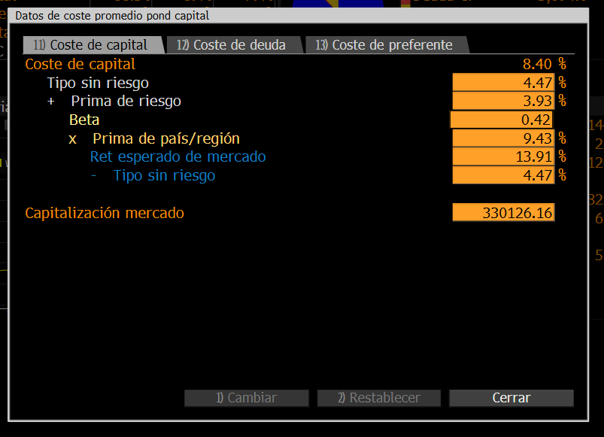
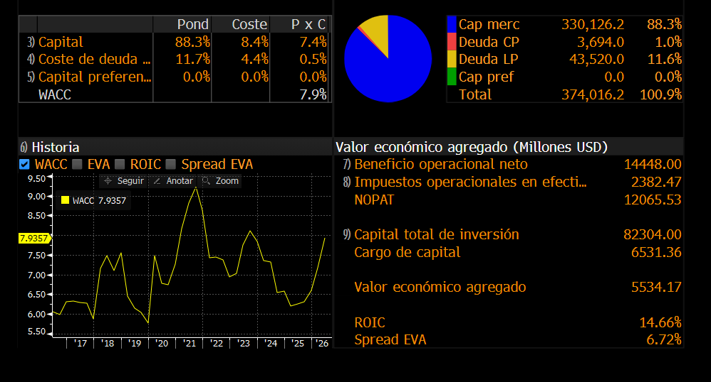
(KO US) - Info destacada aj BBG

En Millones de USD |  | FY 2019 | FY 2020 | FY 2021 | FY 2022 | FY 2023 | FY 2024 | FY 2025 | Actual/Últ12M | FY 2026 Est | FY 2027 Est
12 meses fin |  | 12/31/2019 | 12/31/2020 | 12/31/2021 | 12/31/2022 | 12/31/2023 | 12/31/2024 | 12/31/2025 | 04/03/2026 | 12/31/2026 | 12/31/2027
Capitalización de mercado | HISTORICAL_MARKET_CAP | 236,898.0 | 235,921.7 | 256,083.3 | 275,304.1 | 253,870.4 | 267,842.5 | 300,752.8 | 330,516.7
- Efectivo y equivalentes | CASH_AND_MARKETABLE_SECURITIES | 11,175.0 | 10,914.0 | 12,625.0 | 11,631.0 | 13,663.0 | 14,571.0 | 15,806.0 | 13,820.0
+ Preferente y otros | PFD_EQTY_MINORTY_INTEREST | 2,117.0 | 1,985.0 | 1,861.0 | 1,721.0 | 1,539.0 | 1,516.0 | 2,106.0 | 2,101.0
+ Deuda total | SHORT_AND_LONG_TERM_DEBT | 44,155.0 | 44,415.0 | 44,232.0 | 40,603.0 | 43,426.0 | 45,735.0 | 47,214.0 | 43,890.0
Valor de empresa | ENTERPRISE_VALUE | 271,995.0 | 271,407.7 | 289,551.3 | 305,997.1 | 285,172.4 | 300,522.5 | 334,266.8 | 362,687.7

Ingresos, aj | SALES_REV_TURN | 37,280.0 | 32,999.0 | 38,658.0 | 43,046.0 | 45,784.0 | 46,897.0 | 48,062.0 | 49,317.0 | 49,085.5 | 49,992.6
% Crec, YoY | SALES_GROWTH | 8.7 | -11.5 | 17.1 | 11.4 | 6.4 | 2.4 | 2.5 | 5.2 | 2.1 | 1.8
Beneficio bruto, aj | GROSS_PROFIT | 22,660.0 | 19,501.0 | 23,248.0 | 24,863.0 | 27,319.0 | 28,643.0 | 29,796.0 | 30,641.0 | 30,467.9 | 31,400.9
% Margen | GROSS_PROFIT | 60.8 | 59.1 | 60.1 | 57.8 | 59.7 | 61.1 | 62.0 | 62.1 | 62.1 | 62.8
EBITDA, aj | EBITDA | 12,249.0 | 11,421.0 | 12,903.0 | 14,257.0 | 14,861.0 | 12,084.0 | 15,770.0 | 15,950.0 | 17,215.5 | 18,248.6
% Margen | EBITDA | 32.9 | 34.6 | 33.4 | 33.1 | 32.5 | 25.8 | 32.8 | 32.3 | 35.1 | 36.5
Beneficio neto, aj | EARN_FOR_COMMON | 9,171.0 | 8,435.0 | 10,086.0 | 10,803.0 | 11,515.0 | 12,373.0 | 12,940.0 | 14,058.0 | 14,104.4 | 14,962.9
% Margen | EARN_FOR_COMMON | 24.6 | 25.6 | 26.1 | 25.1 | 25.2 | 26.4 | 26.9 | 28.5 | 28.7 | 29.9
BPA, aj | IS_DIL_EPS_CONT_OPS | 2.13 | 1.95 | 2.32 | 2.48 | 2.65 | 2.86 | 3.00 | 3.26 | 3.27 | 3.48
% Crec, YoY | DILUTED_EPS_AFT_XO_ITEMS_GROWTH | 0.10 | -8.41 | 19.16 | 6.77 | 7.05 | 7.86 | 4.82 | 13.16 | 8.95 | 6.42

Efectivo de operaciones | CF_CASH_FROM_OPER | 10,471.0 | 9,844.0 | 12,625.0 | 11,018.0 | 11,599.0 | 6,805.0 | 7,408.0 | 14,631.0
Gastos de capital | CAPITAL_EXPEND | -2,054.0 | -1,177.0 | -1,367.0 | -1,484.0 | -1,852.0 | -2,064.0 | -2,112.0 | -2,077.0 | -2,201.7 | -2,148.4
Flujo de caja libre | CF_FREE_CASH_FLOW | 8,417.0 | 8,667.0 | 11,258.0 | 9,534.0 | 9,747.0 | 4,741.0 | 5,296.0 | 12,554.0 | 12,111.4 | 13,267.0
Fuente: Bloomberg |  | Hacer clic derecho para ver transparencia de datos (no disponible p/todos)

